Information Input
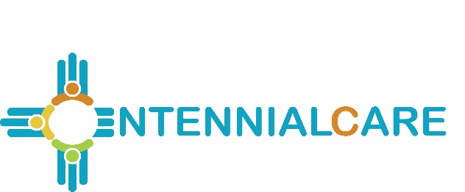
 |  | Report Submission #: -

Centennial Care MCO Payments to Indian Health Services and
Tribal 638 Providers Report

Report 16 |  |  | Select applicable

All Programs |  |  | Report Submission #

MCO Name:

 |  |  | Select applicable
 |  |  | calendar year:
Calendar Year Reporting Cycle: |  | 2019

Report Submission Type: |  | Quarterly

 |  |  | Select applicable
 |  |  | quarter:
Report Submission Quarter: |  | Q1

Report Period Ending (mm/dd/yyyy): |  | 3/31/2019

Prepared By:
 | Name
 | Contact Phone
 | Contact Email
 | Date Prepared (mm/dd/yyyy)

