Instructions
EAT Scoring Form Instructions
TAB 2: Scoring
 | 1. Enter the Sponsoring Entity's Name at the top of the sheet.

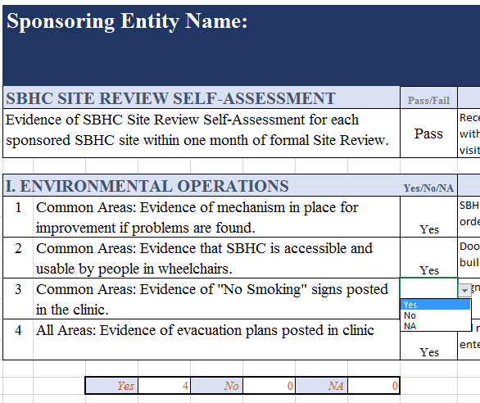

 |  |  |  | Assessments for ALL SBHC Sites must be present to pass.

 |  |  |  | A drop down menu will appear with Yes, No, NA

 |  |  |  | Responses are automatically counted for each section.

 | All inquires require a reponse of Yes, No or NA. Any comments should be anotated in the comments area.

TAB 3: Score Summary
 | Manually enter the # of SBHCs in second column and # of SBHC Assessments present in third column.
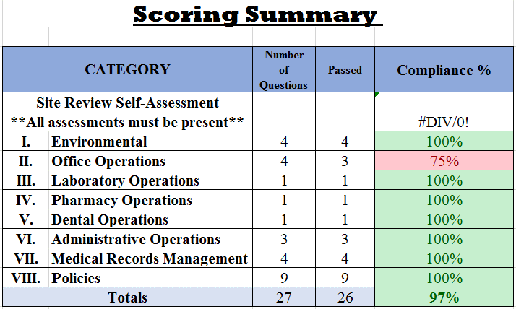

 | Scores are automatically calculated for each category from the Scoring tab
 | Each Yes or NA response recieves 1 point. Be sure that the question is not applicable.

 |  | Each category that results in a >90% compliance will automatically fill red. This will require action plan comment and may result in a Corrective Action Plan.

 | Be sure to make comments on the SBHC EAT- Summary that reflect the actions taken.

 |  |  | Revised 4/10/2019

